1. Title Page
Grocery Basket Analysis

Project Name: Instacart Grocery Basket Analysis
Date: 02/09/2023
Analyst Name: Andy Francis

Contents:
Population Flow
Consistency checks
Wrangling steps
Column derivations
Visualizations
Recommendations

Data Source:
“The Instacart Online Grocery Shopping Dataset 2017”, Accessed from https://www.instacart.com/datasets/grocery-shopping-2017 on 01/24/2023.

2. Population Flow
Title page

Population flow

Exclusion flag
Condition: max_order < 5 (customers with more than 5 total orders)
Obervations to be removed: 1,440,295
Final total count of order_products_all: 30,198,831

Orders_products_combined
Orders_products_merged
Orders_products_all
S
Total:32,404,859
Total: 32,404,859
Total: 32,611,068

1.) The grey boxes in the first row of the population flow represent the original data sets as they were when you downloaded them. In the Total fields you need to add the count of the rows when you imported the data set into Jupyter.
2.) The second row of boxes (coloured) represents the data sets after you manipulated them, e.g., removed missing values and duplicates. In the Total fields you need to add the count of the rows after conducting these operations. This offers a visual oveview of how the data flows throughout the data consistency checks.
3.) The third row, where also the arrows are coloured, represents the merges you performed between the datasets. In the Total fields you need to add the count of the rows in the merged datasets, so that you end up with the final dataset (in the red box). Keep in mind the final dataset should be without exclusions (based on the exclusion flag).

3. Consistency checks
 |  |  |  | Title page
Consistency checks

Dataset | Missing values | Missing values treatment | Duplicates
orders | days_since_prior_order | 206,209 NaN values were found due to new customers not having a date since prior order. The NaN values were changed to "0". A tag was created to identify each new customer.
products | 16 missing values (product names) were found. | Created a subset omitting the missing values. | 5 duplicates were found and removed.
orders_products_prior | none | none | none
customers | none | none | none

4. Wrangling steps
 |  |  |  | Title page
Wrangling steps

Columns dropped | Columns renamed | Columns' type changed | Comment/Reason
eval_set |  |  | Not needed for analysis.
 |  | order_id | Changed values to 'string'
 |  | user_id | Changed values to 'string'
 | order_dow |  | Changed to "orders_day_of_week" for clarity.
first_name |  |  | This column was dropped for data privacy
last_name |  |  | This column was dropped for data privacy
Unnamed: 0.1, Unnamed: 0 |  |  | Index repeats not needed for analysis.
_merge |  |  | This column was not needed for analysis.
 | Gender |  | Renamed to match other namings in the dataframe.
 | STATE |  | Changed to 'age' to match other namings in the dataframe.
 | Age |  | Changed to 'age' to match other namings in the dataframe.
 | fam_status |  | Changed to "marital_status" for clarity.
 | n_dependants |  | Changed to 'number_of_dependants' to match other namings in the dataframe.
date_joined |  |  | No longer needed after loyalty and frequency flags were created for each customer.

5. Column derivations
 |  |  |  | Title page

Column derivations and aggregations

Dataset | New column | Column/s it was derived from | Conditions
orders_products_customers_combined | price_range_loc | prices | > 15 = "High-range product" , <= 15 & >5 = "Mid-range product" , <= 5 = "low-range product"
orders_products_customers_combined | busiest_days | orders_day_of_week | 0 or 1 = "busiest days", 4 or 3 = "least busy", else "regularly busy"
orders_products_customers_combined | busiest_period_of_day | order_hour_of_day | >= 10 and <=15 = "most orders", >=0 and <=6 = "fewest orders", else "average orders"
orders_products_customers_combined | loyalty_flag | max_order | > 40 = "Loyal customer" , <=40 & >10 = "Regular customer" , <= 10 = "Newer customer"
orders_products_customers_combined | avg_item_price | user_id & prices | Average of prices grouped by user_id
orders_products_customers_combined | spender_type | avg_item_price | <10 = "Low spender" , >= 10 = "High spender"
orders_products_customers_combined | avg_days_since_last_order | user_id & days_since_last_order | Average days_since_last_order grouped by user_id
orders_products_customers_combined | order_frequency | avg_days_since_last_order | <=10 = "Frequent customer", <=20 & >10 = "Regular customer", >20 = "Non-frequent customer"
orders_products_combined_high_activity_4.10 | region | state | Gathered data from (https://simple.wikipedia.org/wiki/List_of_regions_of_the_United_States) to assign states to one of four regions (Northeast, Midwest, South, West.
orders_products_combined_high_activity_4.10 | exclusion flag | max_order | <5 = "low activity", >=5 = "high activity"
orders_products_combined_high_activity_4.10 | profile | marital_status, age, number_of_dependants, income, order_hour_of_day, gender, department_id, orders_day_of_week | “Single Adult” = age >= 18 with no dependents. “Low Income Small Family” = 1 dependent with income >$100,000 “Low Income Medium Family” = 2 dependents with income >$100,000 “Low Income Large Family”= >=3 dependents with income >$100,000 “High Income Small Family” = 1 dependent with income >= $100,000 “High Income Medium Family” = 2 dependents with income >= $100,000 “High Income Large Family” = >=3 dependents with income >= $100,000 “Low Income Retired” = age >=65 with income >$100,000 “High Income Retired” = age >=65 with income >= $100,000 “Young Parent” = >=1 dependent with age < 30 “Purchases Alcohol” = customers who made purchases from department 5 “Purchases Baby Products” = customers who made purchases from department 18

6. Visualizations
 |  |  |  |  |  |  | Title page

Visualizations

 | Orders by day and hour of day

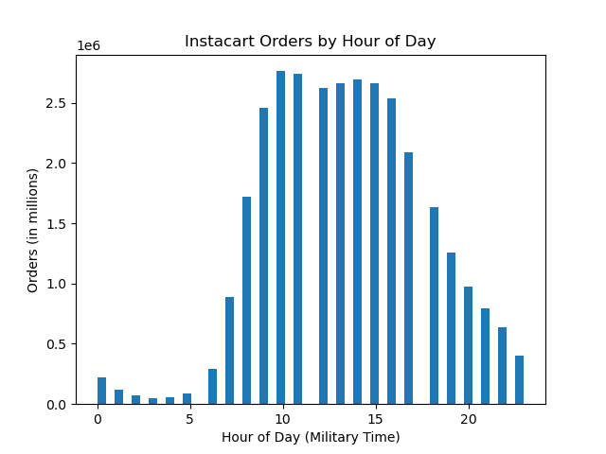



 |  |  |  |  |  |  | Busiest time of day - Late morning/early afternoon. Instacart receives the most orders between 09:00 and 16:00. The least amount of orders occur between 01:00 and 05:00.
Busiest days - the weekend - Instacart received the most orders on Saturday, followed by Sunday and Friday. The least amount of orders occur on Wednesday.

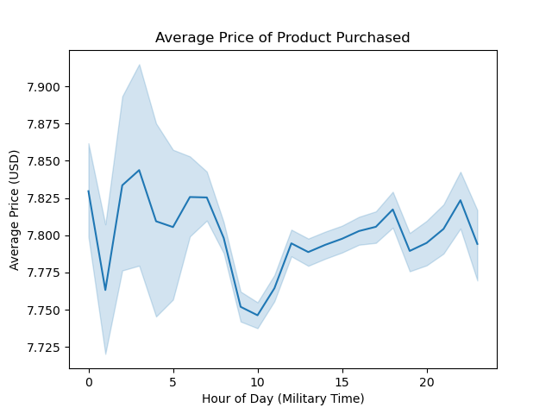

 |  |  |  |  |  |  |  | The chart on the left shows the average price of products purchased through Instacart. The average price is consistent regardless of the time of day is is purchased (between $7.75 and $7.85 USD).

 |  | Customer Information

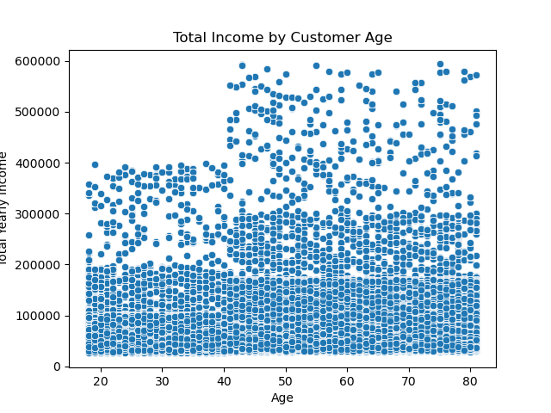
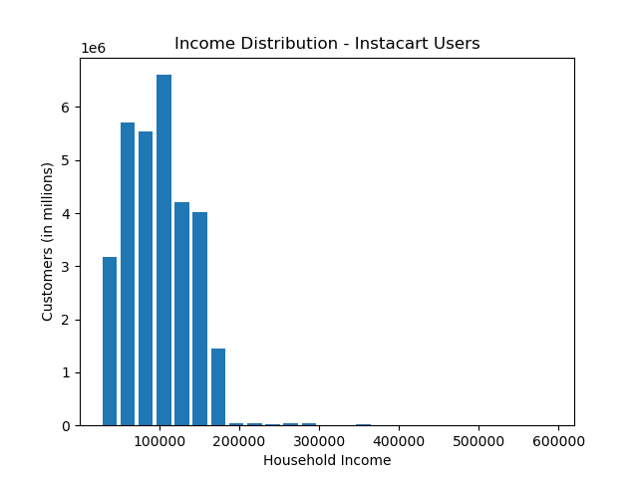

 |  |  | Lower-income customers < $100,000 ) are equally spread between age groups. The upper-income customers (> $400,000) begin at age 40+. This would mean that those age 40+ have greater spending power on average.

 |  |  |  |  |  |  |  |  | Most Instacart customers make less than $200,000 annually.

 |  | Regions

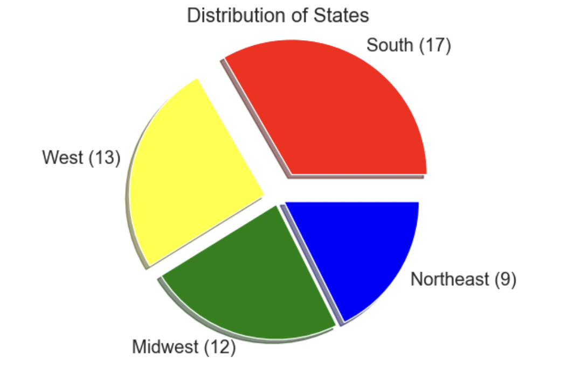

 |  |  |  |  |  |  |  |  | Regions Key:

 |  |  |  |  |  |  |  |  | Northeast: Maine, New Hampshire, Vermont, Massachusetts,
 |  |  |  |  |  |  |  |  | Rhode Island, Connecticul, New York, Pennsylvania, New Jersey

 |  |  |  |  |  |  |  |  | Midwest: Wisconsin, Michigan, Illinois, Indiana, Ohio, Iowa,
 |  |  |  |  |  |  |  |  | North Dakota, South Dakota, Nebraska, Minnesota, Missouri, Kansas

 |  |  |  |  |  |  |  |  | South: Delaware, Maryland, District of Columbia, Virginia, West Virginia,
 |  |  |  |  |  |  |  |  | North Carolina, South Carolina, Georgia, Florida, Kentucky,
 |  |  |  |  |  |  |  |  | Tennessee, Mississippi, Alabama, Texas, Oklahoma, Arkansas, Louisiana

 |  |  |  |  |  |  |  |  | West: Idaho, Montana, Wyoming, Nevada, Utah, Colorado, Arizona,
 |  |  |  |  |  |  |  |  | New Mexico, Alaska, Washington, Oregon, California, Hawaii

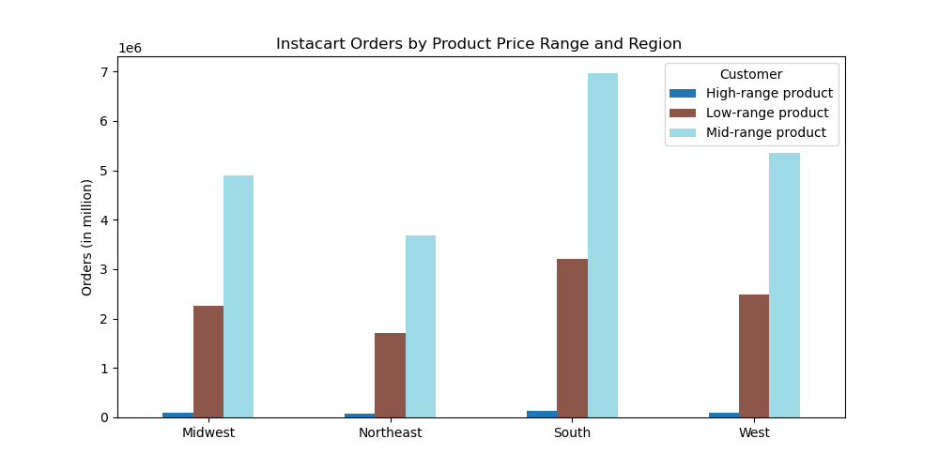

 |  |  |  |  |  |  |  |  |  | High-range product: > $15.00 Mid-range product: <= $15 .00 & > $5.00 Low-range product: < $5.00

 |  |  |  | Mid-range products are the best sellers in all regions.

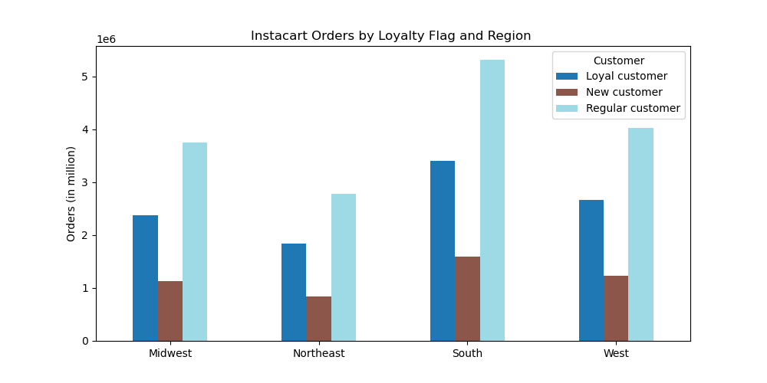

 |  |  |  |  |  |  |  |  |  | Loyal Customer: Max order > 40 Regular Customer: Max order <= 40 & > 10 New Customer: Max Order < 10

 |  |  |  | Regular Customers have the greatest numbers across regions.

 |  | Customer Profiles

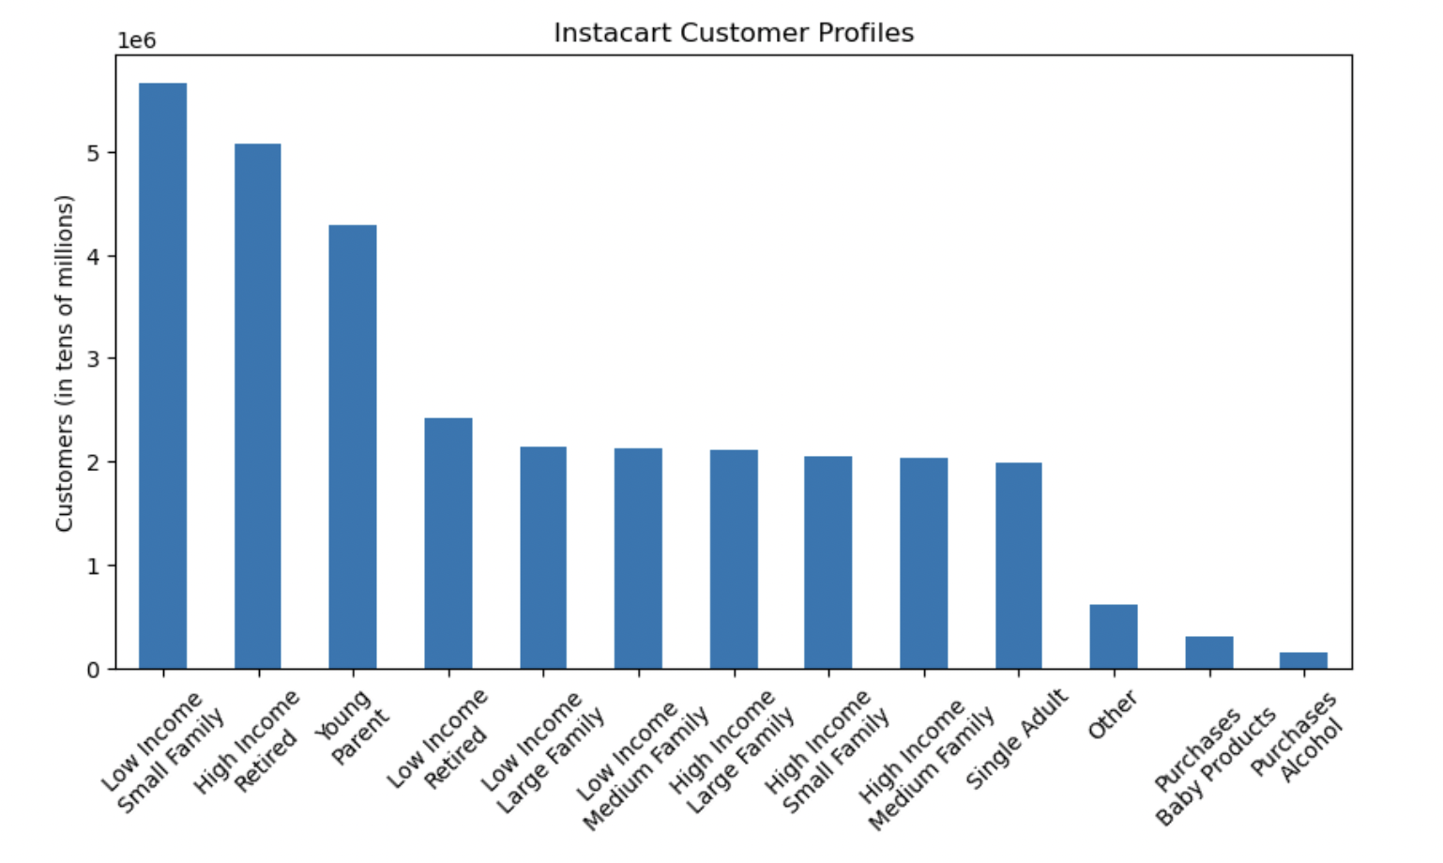
 |  |  |  |  |  |  |  |  |  | Single Adult: age >= 18 with no dependents. Low Income Small Family: 1 dependent with income >$100,000 Low Income Medium Family: 2 dependents with income >$100,000 Low Income Large Family: >=3 dependents with income >$100,000 High Income Small Family: 1 dependent with income >= $100,000 High Income Medium Family: 2 dependents with income >= $100,000 High Income Large Family: >=3 dependents with income >= $100,000 Low Income Retired: age >=65 with income >$100,000 High Income Retired: age >=65 with income >= $100,000 Young Parent: >=1 dependent with age < 30 Purchases Alcohol: customers who made purchases from department 5 Purchases Baby Products: customers who made purchases from department 18

 |  |  | Low Income Small Family and High Income Retired are the two largest customer groups.

 |  |  |  |  |  | The distribution of customers is equal between regions.

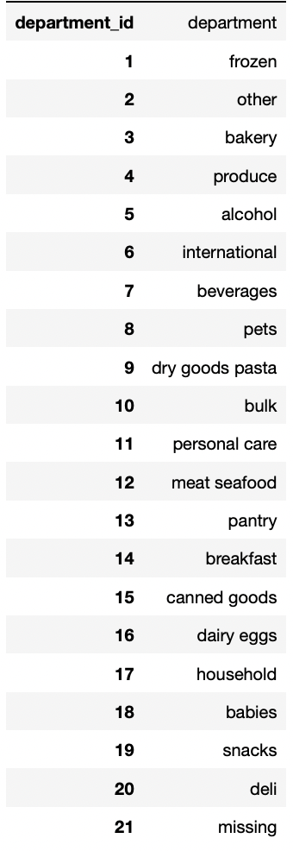

 |  |  |  |  | Produce and Dairy/Eggs are the most purchased departments among
 |  |  |  |  | the customer profiles (excluding "Purchases Alcohol" and
 |  |  |  |  | "Purchases Baby Products"

7. Recommendations
 |  | Title page

Recommendations

Question | Answer
1) The sales team needs to know what the busiest days of the week and hours of the day are (i.e., the days and times with the most orders) in order to schedule ads at times when there are fewer orders. | 1) The busiest days for orders are Saturday and Sunday, The slowest days for orders are Tuesday and Wednesday. The busiest hours for orders are between 09:00 and 16:00. The slowest hours orders occur between 01:00 and 05:00.
2) They also want to know whether there are particular times of the day when people spend the most money, as this might inform the type of products they advertise at these times. | 2) The average price is consistent regardless of the time of day is is purchased (between $7.75 and $7.85 USD).
3) Instacart has a lot of products with different price tags. Marketing and sales want to use simpler price range groupings to help direct their efforts. | 3) Price ranges have been groups into High Range Products (> $15.00), Mid Range Products (<= $15.00 and > $5.00) and Low Range Products ( > $5.00). Mid Range Products are the best selling across regions.
4) What’s the distribution among users in regards to their brand loyalty (i.e., how often do they return to Instacart)? | 4) Regular Customers (Max order <= 40 & > 10) have the highest numbers across regions, followed by Loyal Customers (Max order > 40) and New Customers (Max order <= 10)
5) Are there differences in ordering habits based on a customer’s loyalty status? | 5) There is no difference in ordering habits between customer's loyalty status.
6) Are there differences in ordering habits based on a customer’s region? | 6) There is no difference in orderins habits between a customer's region.
7) What differences can you find in ordering habits of different customer profiles? | 7) All customer profiles order produce and dairy/eggs the most. Differences in ordering habits between the differennt customer profiles are not apparent in my analysis.

